FINAL SHEET
Date in game | Name | Weekly Wage | Monthly Wage | Annual Wage | Position | Position Area
12/07/2029 | Charlie Patino | £36,500 | £146,000 | £1,752,000 | DM,M(C) | Midfielder
 | Omari Hutchinson | £36,500 | £146,000 | £1,752,000 | M(LC), AM(RLC) | Midfielder/Attacker
 | Marquinhos | £36,500 | £146,000 | £1,752,000 | M(R), AM(RL), ST(C) | Midfielder/Attacker
 | Paulinho | £36,500 | £146,000 | £1,752,000 | M(L), AM(RLC), ST(C),M(R) | Midfielder/Attacker
 | Ayari | £25,500 | £102,000 | £1,224,000 | D(R), DM, M/AM (C) | Defender/Midfielder
 | Undav | £22,000 | £88,000 | £1,056,000 | AM(RLC), ST(C) | Attacker
 | Ivan Jamie | £17,250 | £69,000 | £828,000 | M/AM(LC) | Midfielder
 | Yegbe | £15,500 | £62,000 | £744,000 | D(C) | Defender
 | Burns | £13,500 | £54,000 | £648,000 | D(C), DM, M(C) | Defender/Midfielder
 | Potts | £12,750 | £51,000 | £612,000 | DM, M(C) | Midfielder
 | Palma | £12,750 | £51,000 | £612,000 | AM(LC), ST(C) | Attacker
 | Earthy | £12,500 | £50,000 | £600,000 | M/AM(C) | Midfielder/Attacker
 | Zivkovic | £12,000 | £48,000 | £576,000 | M/AM(RLC) | Midfielder/Attacker
 | Kamara | £10,750 | £43,000 | £516,000 | M(R), AM(RL), ST(C) | Midfieler/Attacker
 | Angel | £9,000 | £36,000 | £432,000 | DM, M(C) | Midfielder
 | Kukharevych | £8,750 | £35,000 | £420,000 | AM(C), ST(C) | Attacker
 | Springett | £8,500 | £34,000 | £408,000 | M/AM(RL) | Attacker
 | Enrique | £6,500 | £26,000 | £312,000 | AM(R), ST(C) | Attacker
 | Ismail | £6,500 | £26,000 | £312,000 | D/WB/ AM (L) | Defender/Midfielder
 | Azarvi | £6,250 | £25,000 | £300,000 | D/WB((L) | Defender
 | Anderson | £4,800 | £19,200 | £230,400 | D (LC) | Defender
 | Cartwright | £4,500 | £18,000 | £216,000 | GK | Goalkeeper
 | Shahar | £4,400 | £17,600 | £211,200 | D(R) | Defender
 | Dietsch | £3,400 | £13,600 | £163,200 | GK | Goalkeeper
 | Adekunle | £3,400 | £13,600 | £163,200 | D (RC) | Defender
 | Goodman-Morris | £2,500 | £10,000 | £120,000 | DM, M(C), AM(R), ST (C) | Midfielder/Attacker
 | Damoulakis | £2,200 | £8,800 | £105,600 | D (RL), M/AM (R) | Defender/Midfielder
 | Balogh | £1,500 | £6,000 | £72,000 | WB/M/AM(L) | Defender/Midfielder
 | Duncan | £1,000 | £4,000 | £48,000 | D/M/AM(L) | Defender/Midfielder
 | John | £975 | £3,900 | £46,800 | DM, M(C) | Midfielder
 | MacDonald | £950 | £3,800 | £45,600 | M/ AM(C) | Midfielder/Attacker
 | McGuiness | £925 | £3,700 | £44,400 | GK | Goalkeeper
 | Connors | £450 | £1,800 | £21,600 | D(C), DM | Midfielder
 | Kritsensen | £450 | £1,800 | £21,600 | M/ AM(C) | Midfielder/Attacker
 | LLoyd | £300 | £1,200 | £14,400 | D(L),DM,M (C) | Defender/Midfielder
 | Total Expenditure | £377,750 | £1,511,000 | £18,132,000
 | Salary Average | £10,793 | £43,171 | £518,057

Weekly Wage Scatter Chart
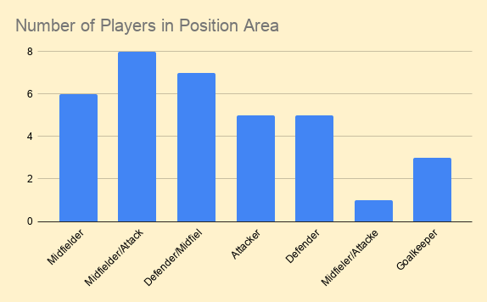

TOP 5 EARNERS CHART
Weekly Wage Difference Between 1-5
 | Name | Weekly Wage
1 | Charlie Patino | £36,500
2 | Omari Hutchinson | £36,500
3 | Marquinhos | £36,500
4 | Paulinho | £36,500
5 | Ayari | £25,500

Total Weekly Wage and Average Weekly Wage
 | Position Area | Total Weekly Wage | Average Weekly Wage
 | Attacker | £207,150 | £14,796.43
 | Midfielder | £265,325 | £12,634.52
 | Defender | £84,850 | £7,070.83
 | Goalkeeper | £8,825 | £2,941.67

